Sheet
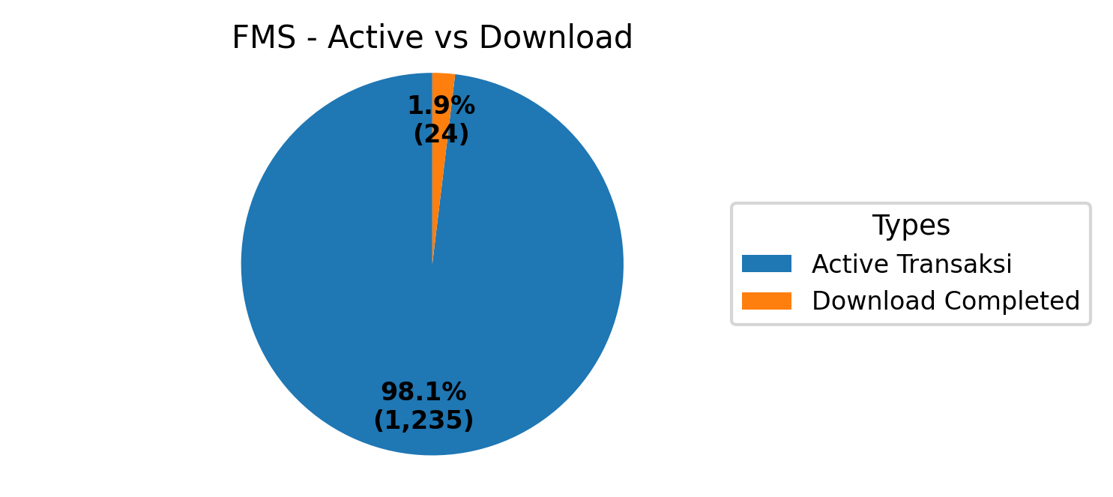
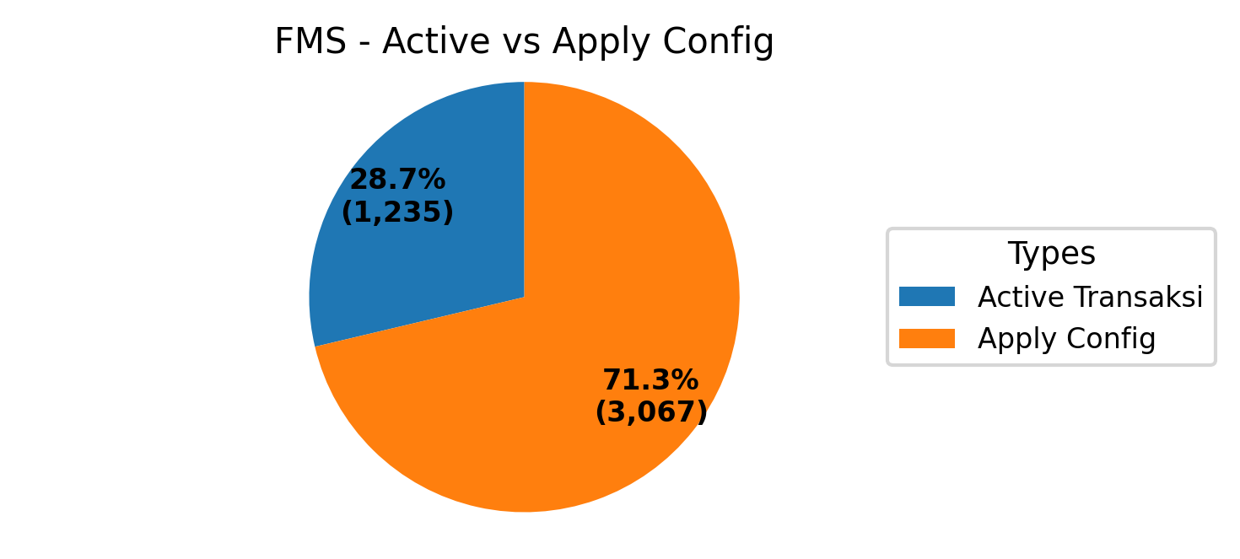
TAMS SHARING 10.2.2.5:7000
Type | Populasi Tams | Download Completed start Scheduller | Apply config | Active transaksi
A920pro | 9088 | 18 | 5360 | 1176
X990 | 7147 | 20 | 4085 | 59
Total | 16235 | 38 | 9445 | 1235

TAMS FMS 10.2.30.2:7000
Type | Populasi Tams | Download Completed start Scheduller | Apply config | Active transaksi
A920pro | 3272 | 23 | 2895 | 1176
X990 | 225 | 1 | 172 | 59
Total | 3497 | 24 | 3067 | 1235

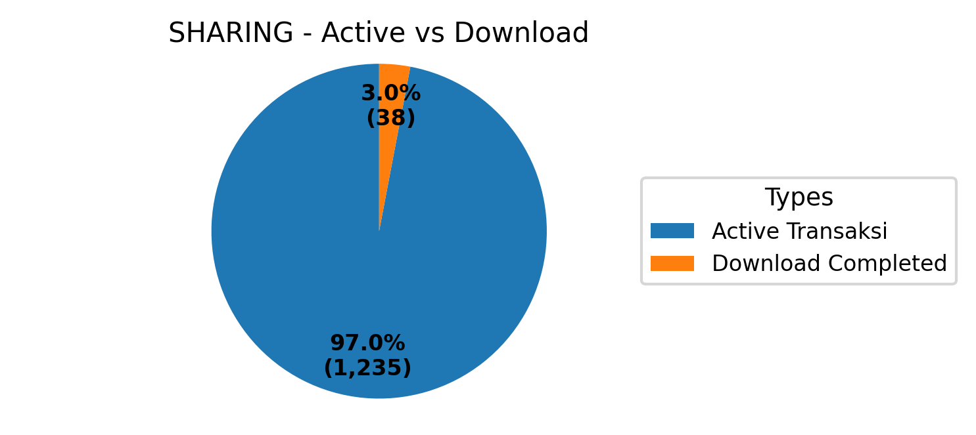
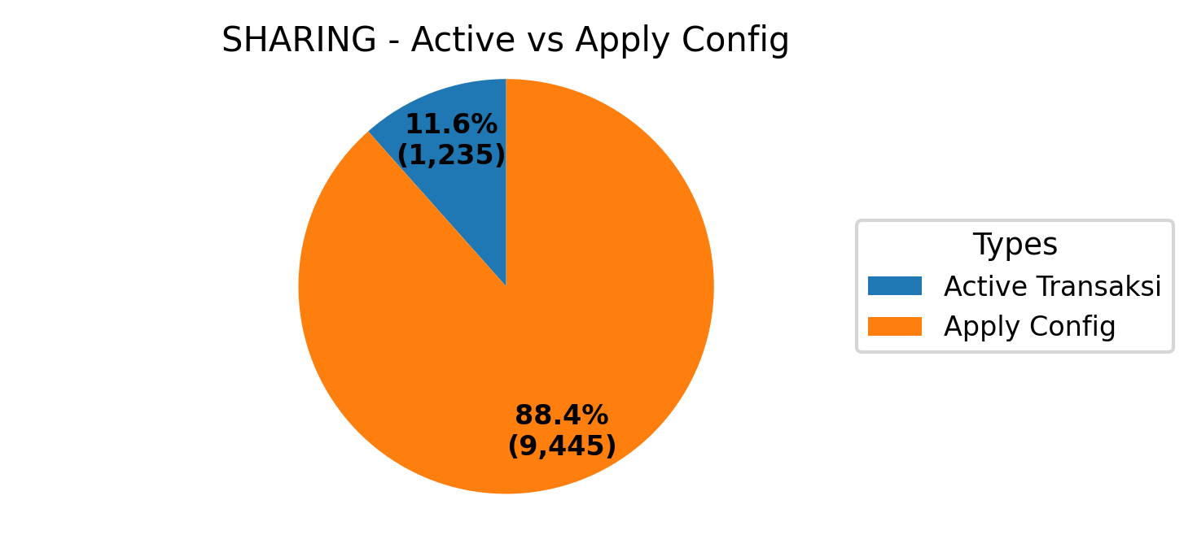
TAMS FMS dan SHARING
Type | Populasi Tams | Download Completed start Scheduller | Apply config | Active transaksi
A920pro | 12360 | 41 | 8255 | 2352
X990 | 7372 | 21 | 4257 | 118
Total | 19732 | 62 | 12512 | 2470

